Dashboard
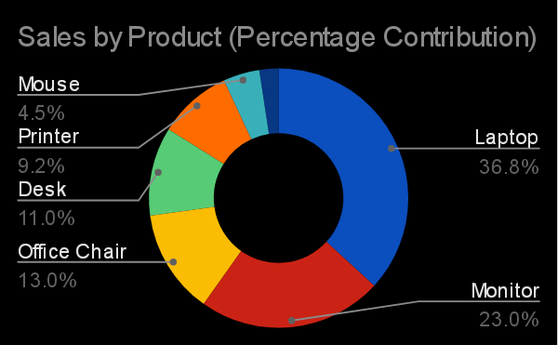
SALES PERFORMANCE DASHBOARD
Executive view of revenue, volume, product mix and regional performance

Total Revenue | Total Quantity | Total Orders | Average Order Value
₦9,783,000 | 102 | 20 | ₦489,150

TOP 5 PRODUCTS |  | SALES BY REGION
Top 5 Products
Sales by Region

SALES BY SALESPERSON |  | SALES BY CATEGORY
Sales by Salesperson
Sales by Category

MONTHLY SALES TREND
Monthly Sales Trend

